Sheet1
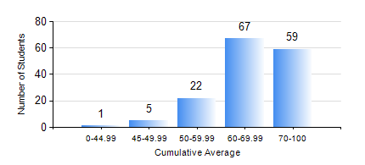
 |  |  | KWAME NKRUMAH UNIVERSITY OF SCIENCE AND TECHNOLOGY, KUMASI Department of Geological Engineering

 |  |  | BSC. GEOLOGICAL ENG.

 |  |  | COMPREHENSIVE RECORD OF EXAMINATION RESULTS

 |  |  | RESULTS OF YEAR 2 SECOND SEMESTER, 2019/2020 ACADEMIC YEAR

 | Sn | Course Code |  | Course Name | Credit Hours | Min. Mark | Max. Mark | Avg. Mark | Std. Dev. | No. Passed | No. Trailed | No. (Df) | No. (I) | No. (I*) | No. Tagged(I,I*,Df) | Total
 | 0. |  |  |  |  |  |  | 0 | 0 | 0 | 0 | 0 | 0 | 0 | 0 | 6
 | 1. | CE 256 |  | FLUID MECHANICS | 3 | 56 | 89 | 72 | 6.79 | 144 | 0 | 0 | 4 | 0 | 4 | 148
 | 2. | GE 282 |  | LARGE SCALE SURVEYING | 3 | 50 | 93 | 81 | 6.47 | 141 | 0 | 0 | 7 | 0 | 7 | 148
 | 3. | GED 252 |  | STRATIGRAPHY | 3 | 51 | 77 | 68 | 4.53 | 143 | 0 | 0 | 5 | 0 | 5 | 148
 | 4. | GED 254 |  | ROCK ENGINEERING | 2 | 52 | 85 | 72 | 5.26 | 144 | 0 | 0 | 4 | 0 | 4 | 148
 | 5. | GED 258 |  | OPTICAL MINERALOGY | 2 | 60 | 90 | 78 | 6.29 | 144 | 0 | 0 | 4 | 0 | 4 | 148
 | 6. | GED 262 |  | INTRODUCTION TO SOIL MECHANICS | 2 | 46 | 89 | 82 | 6.09 | 144 | 0 | 0 | 4 | 0 | 4 | 148
 | 7. | MATH 252 |  | ANALYSIS IV | 4 | 41 | 90 | 70 | 11.63 | 143 | 0 | 0 | 5 | 0 | 5 | 148

